SNN
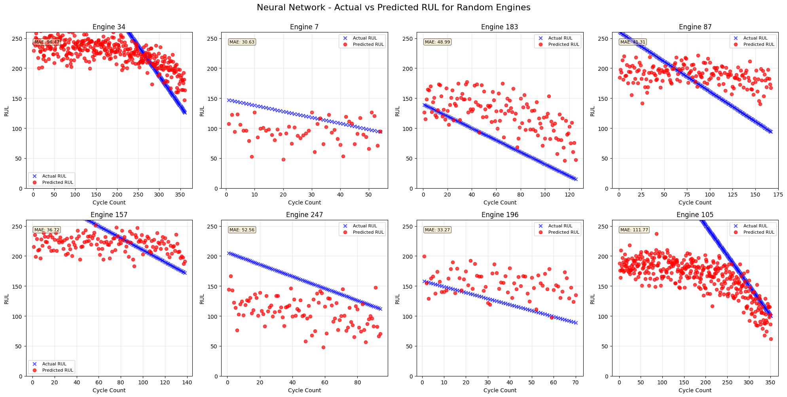
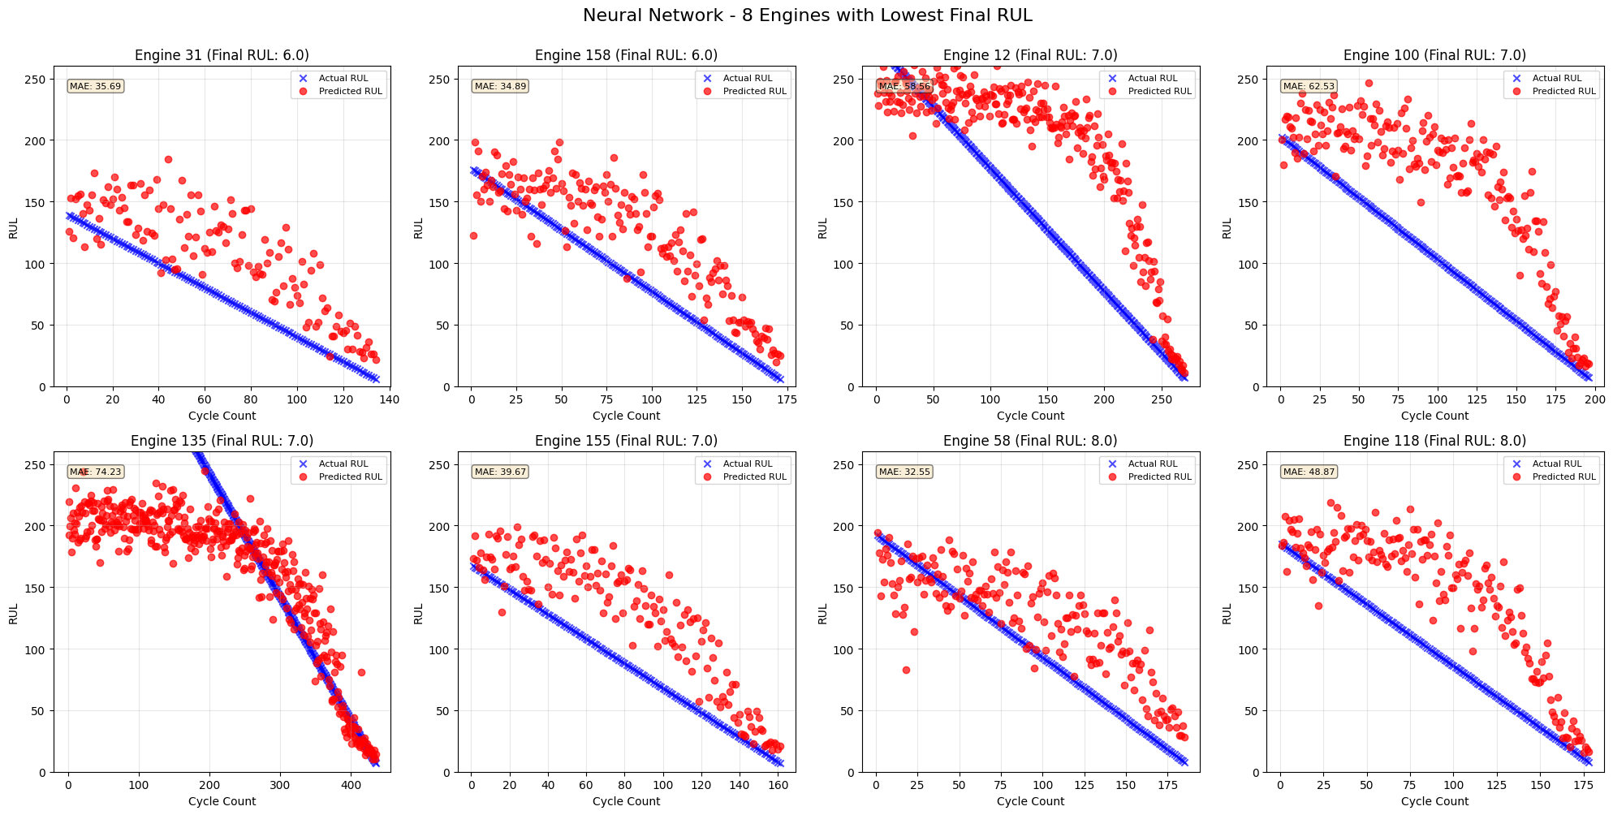
 | Set 1 |  |  |  |  |  |  |  |  |  | Set 2 | Set 3 | Set 4
 | NN1 | NN2 | NN3 | NN4 | NN5 | NN6 | NN7 | NN8 | NN9 | NN10 | NN3 | NN3 | NN3
Hidden Layers: | 2 | 3 | 4 | 4 | 4 | 4 | 4 | 4 | 4 | 4 | 4 | 4 | 4
h1: | 128 | 128 | 128 | 256 | 256 | 256 | 256 | 512 | 512 | 256 | 128 | 128 | 128
h2: | 64 | 64 | 64 | 128 | 128 | 128 | 128 | 256 | 256 | 128 | 64 | 64 | 64
h3: |  | 32 | 32 | 64 | 64 | 64 | 64 | 128 | 128 | 64 | 32 | 32 | 32
h4: |  |  | 16 | 32 | 32 | 32 | 32 | 64 | 64 | 32 | 16 | 16 | 16
Dropout |  |  |  |  | 0.2 | 0.2 |  | 0.2 | 0.2 | 0.2
Batch Normalization |  |  |  |  |  | BN | BN
epochs: | 1000 | 1000 | 1000 | 1000 | 1000 | 1000 | 1000 | 1000 | 1000 | 1000 | 1000 | 1000 | 1000
Learning Rate | 0.01 | 0.01 | 0.01 | 0.01 | 0.01 | 0.01 | 0.01 | 0.01 | 0.01 | 0.01 | 0.01 | 0.01 | 0.01
Activation Function | GELU | GELU | GELU | GELU | GELU | GELU | GELU | GELU | ReLU | ReLU | GELU | GELU | GELU

Final Loss: | 1689.4846191 | 1696.5227051 | 1673.6329346 | 1662.9212646 | 1944.4907227 | 906.14587402 | 10.506986618 | 1821.1917725 | 1888.0981445 | 2040.1229248 | 2077.1247559 | 3122.6164551 | 3660.7145996
MAE: | 33.99 | 33.9 | 33.71 | 34.53 | 33.77 | 38.94 |  | 34.16 | 34.06 | 34.15 | 39.62 | 50.1 | 57.23

Summary Statistics for 8 Engines with Lowest Final RUL:
Engine 34 | 51.22 | 48.19 | 48.5 | 57 | 51.11 | 41.03 | 53.44 | 47.64 | 45.11 | 47.11 | 75.01 | 76.92 | 74.59
Engine 31 | 20.18 | 19.5 | 15.6 | 21.75 | 18.14 | 19.35 | 38.97 | 18.57 | 16.99 | 18.97 | 106.26 | 93.88 | 63.54
Engine 68 | 36.33 | 34.21 | 33.26 | 42.13 | 34.74 | 36.23 | 54.86 | 34.64 | 30.67 | 32.44 | 49.68 | 19.28 | 66
Engine 81 | 18.22 | 18.38 | 16.87 | 20.43 | 18.85 | 19.84 | 38.19 | 18.61 | 18.37 | 18.53 | 28.78 | 20.32 | 85.81
Engine 82 | 56.14 | 52.33 | 53.25 | 65.24 | 56.65 | 51.25 | 74.96 | 54.06 | 49.19 | 51.26 | 79.82 | 44.44 | 28.68
Engine 42 | 105.45 | 106.81 | 95.75 | 106.18 | 99.29 | 91.84 | 111.73 | 92.05 | 88.82 | 96.31 | 32.7 | 18.17 | 61.07
Engine 76 | 24.28 | 23.86 | 19.81 | 26.15 | 19.49 | 18.89 | 36.77 | 20.53 | 18.4 | 20.71 | 37.4 | 139.16 | 60.39
Engine 35 | 17.67 | 18.53 | 18.06 | 16.7 | 17.04 | 23.76 | 43.21 | 18 | 19.26 | 19.15 | 32.51 | 27.14 | 69.81
avg | 41.18625 | 40.22625 | 37.6375 | 44.4475 | 39.41375 | 37.77375 | 56.51625 | 38.0125 | 35.85125 | 38.06 | 55.27 | 54.91375 | 63.73625

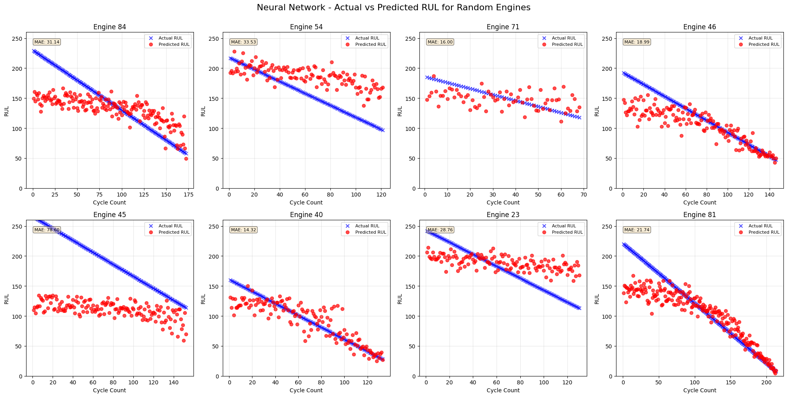
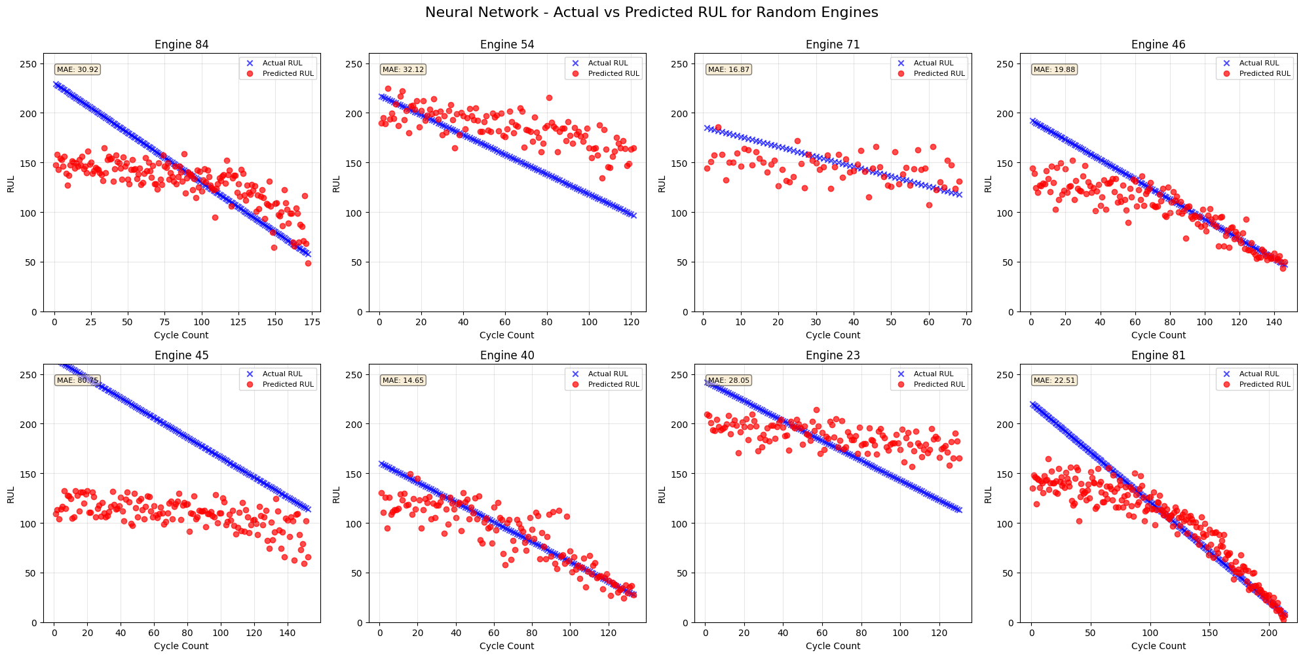
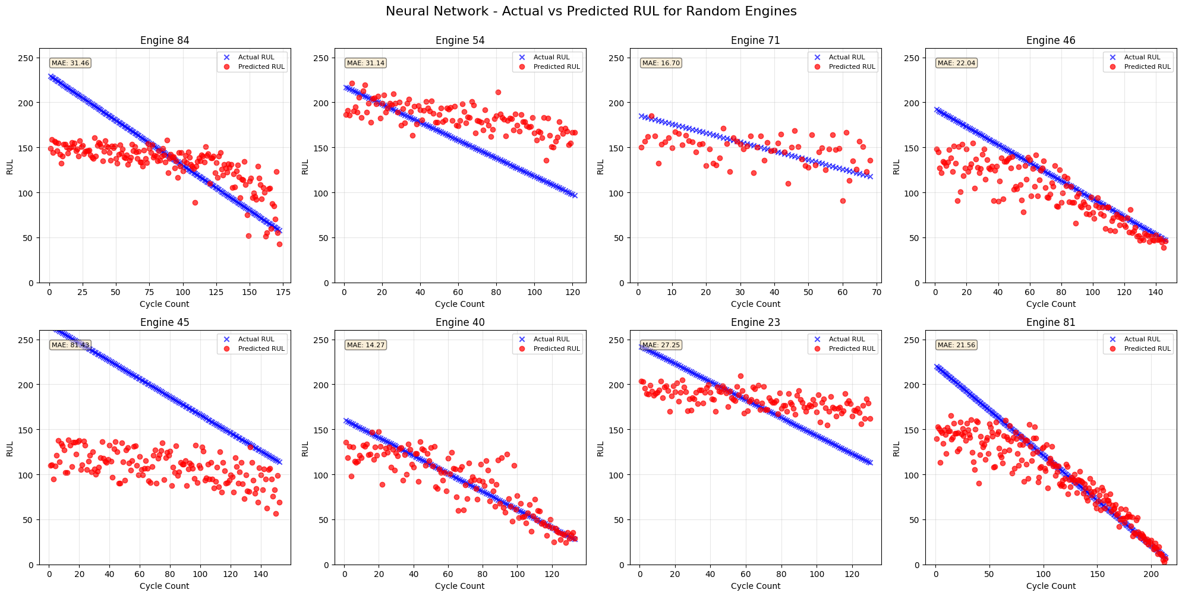
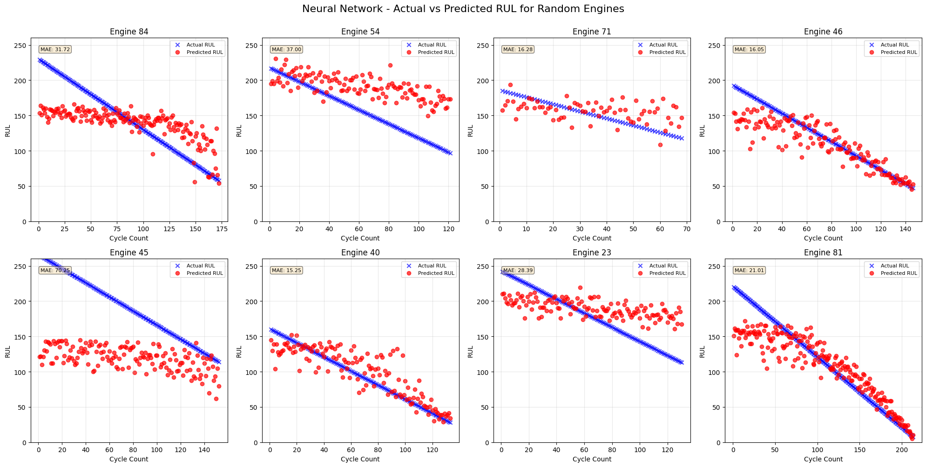

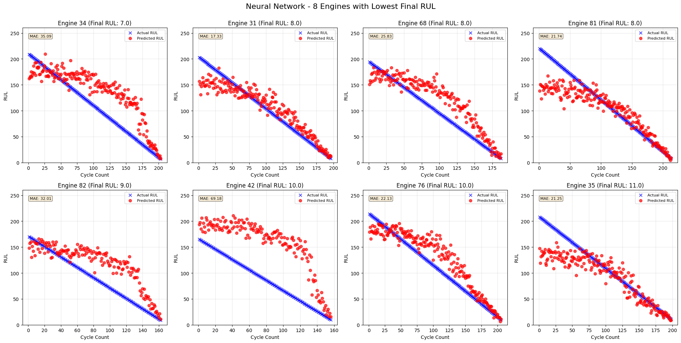
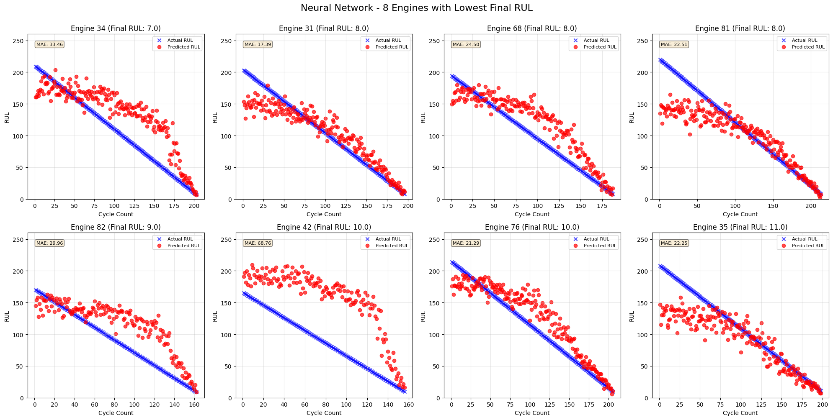

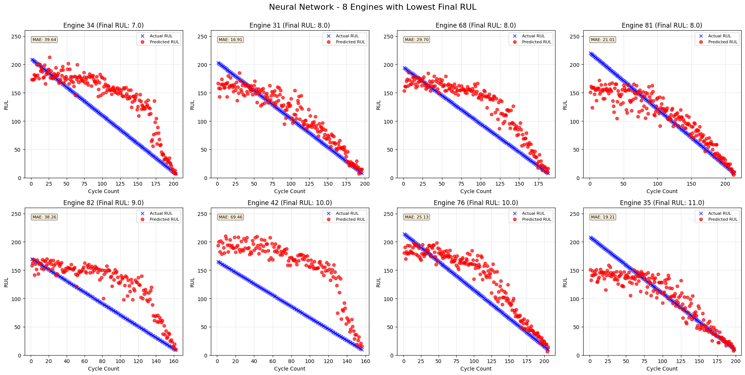

Set 2
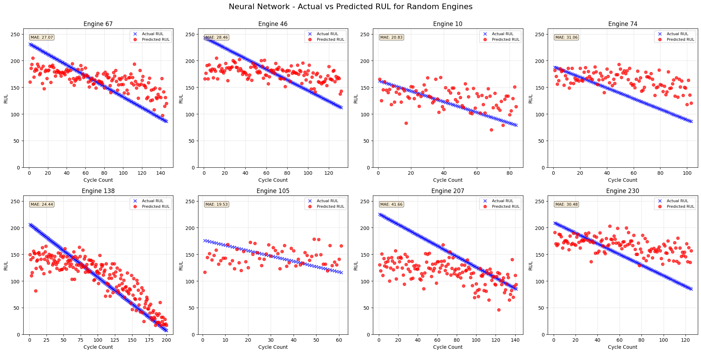

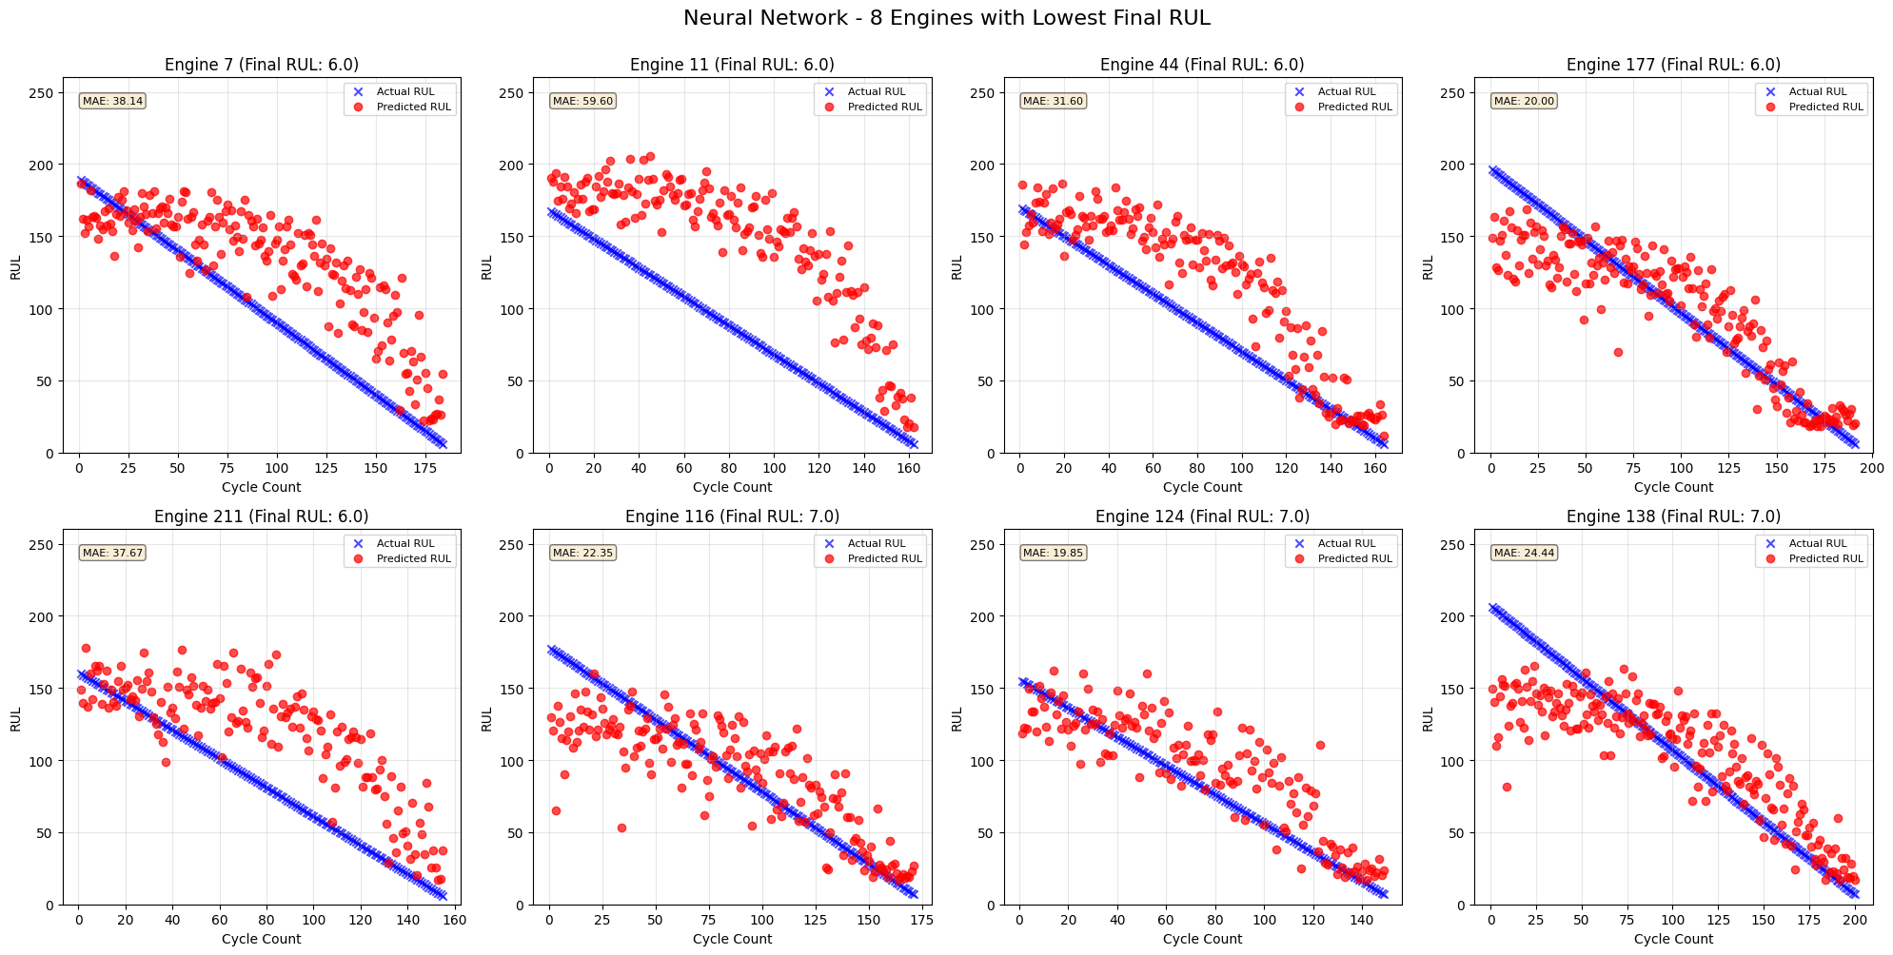

SET 3
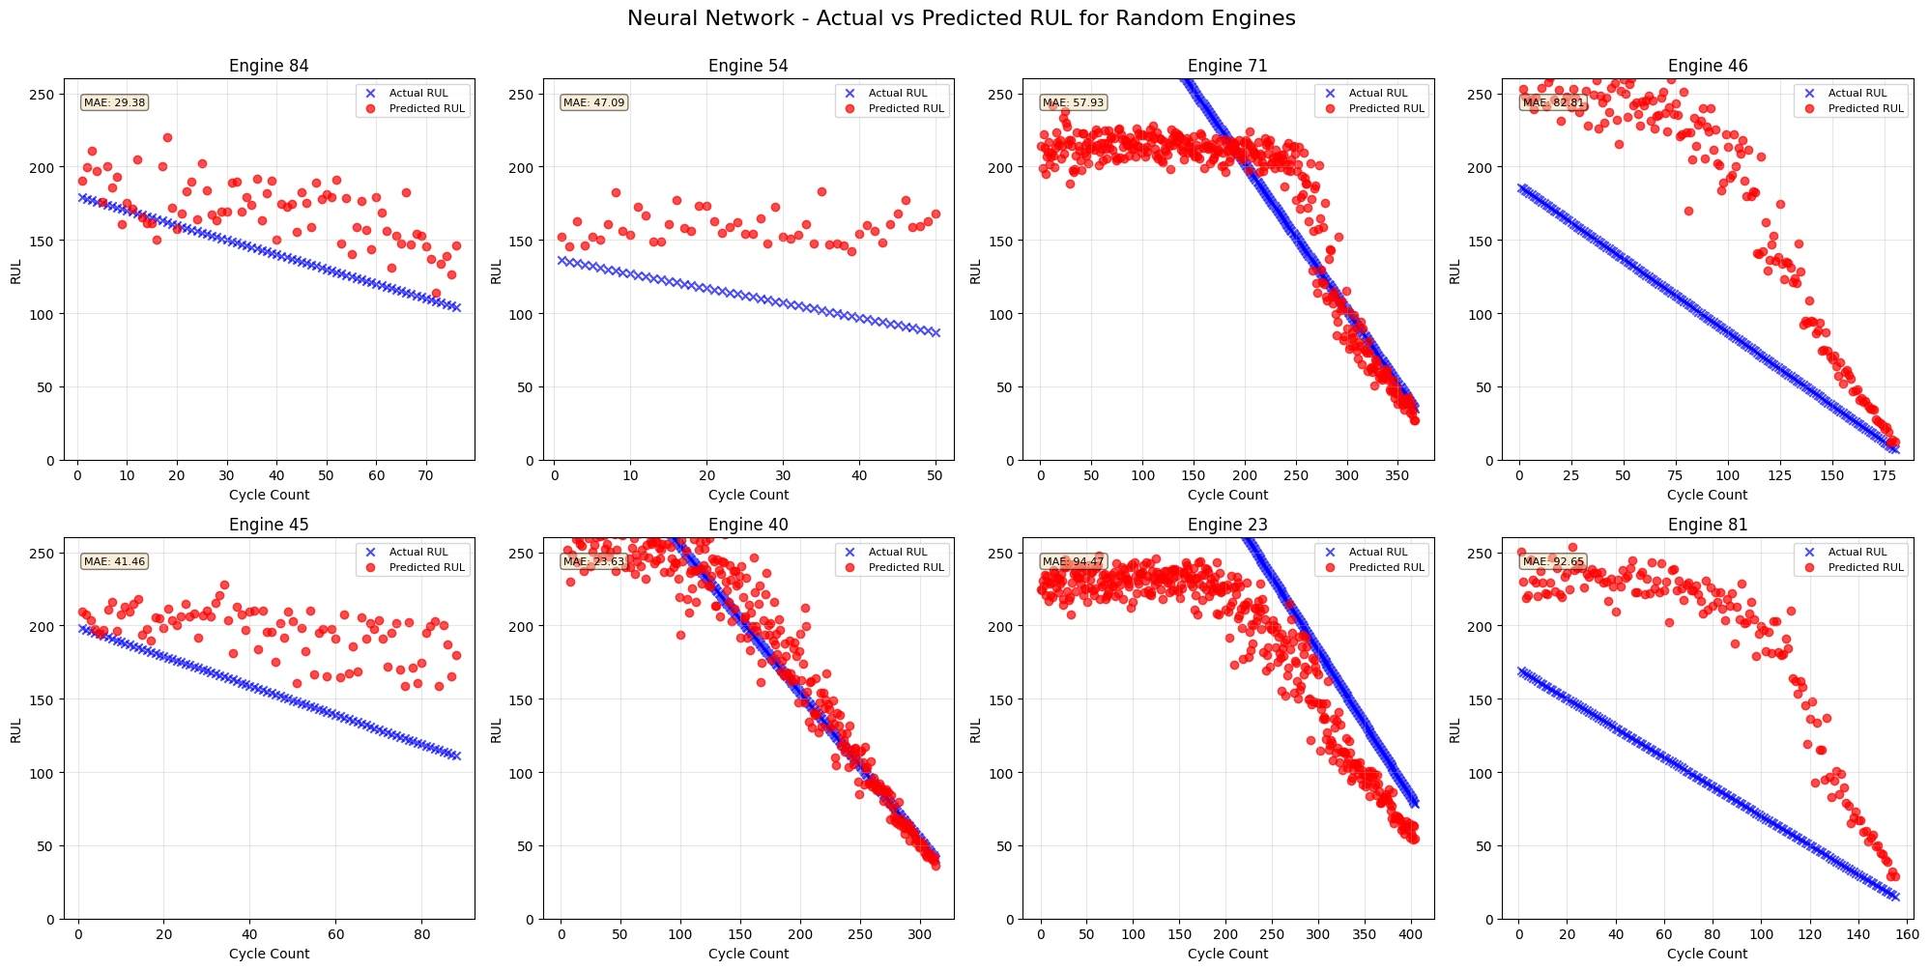

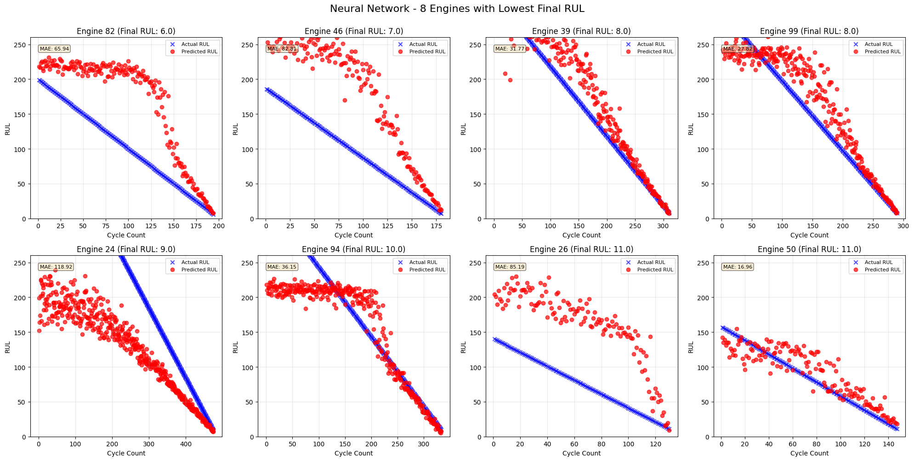

SET 4

RNN
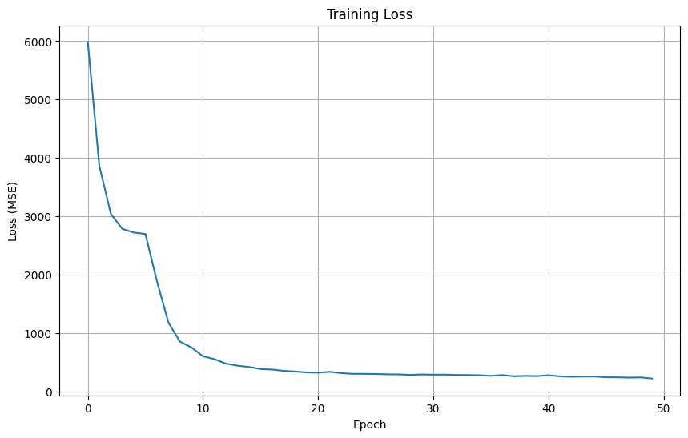
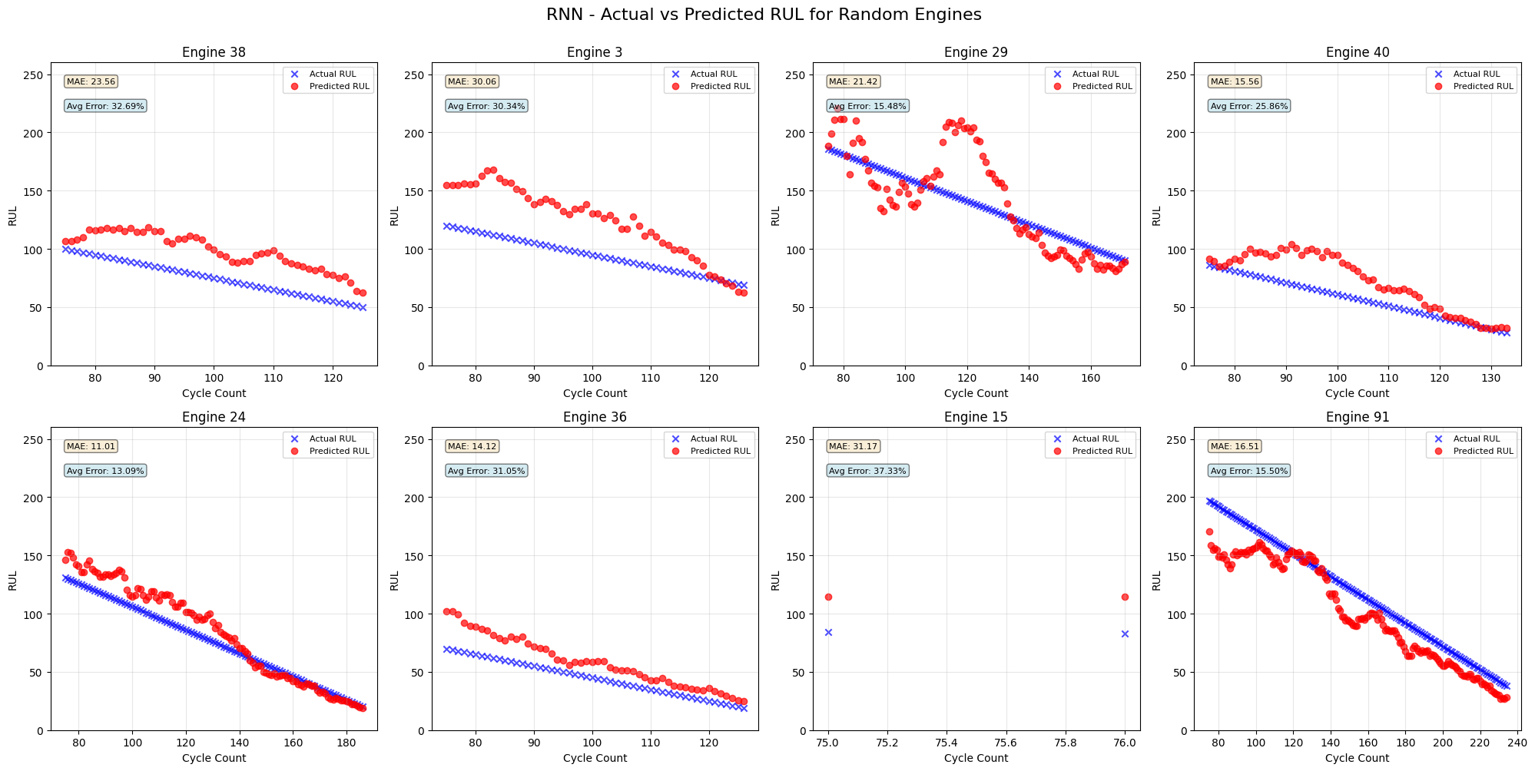
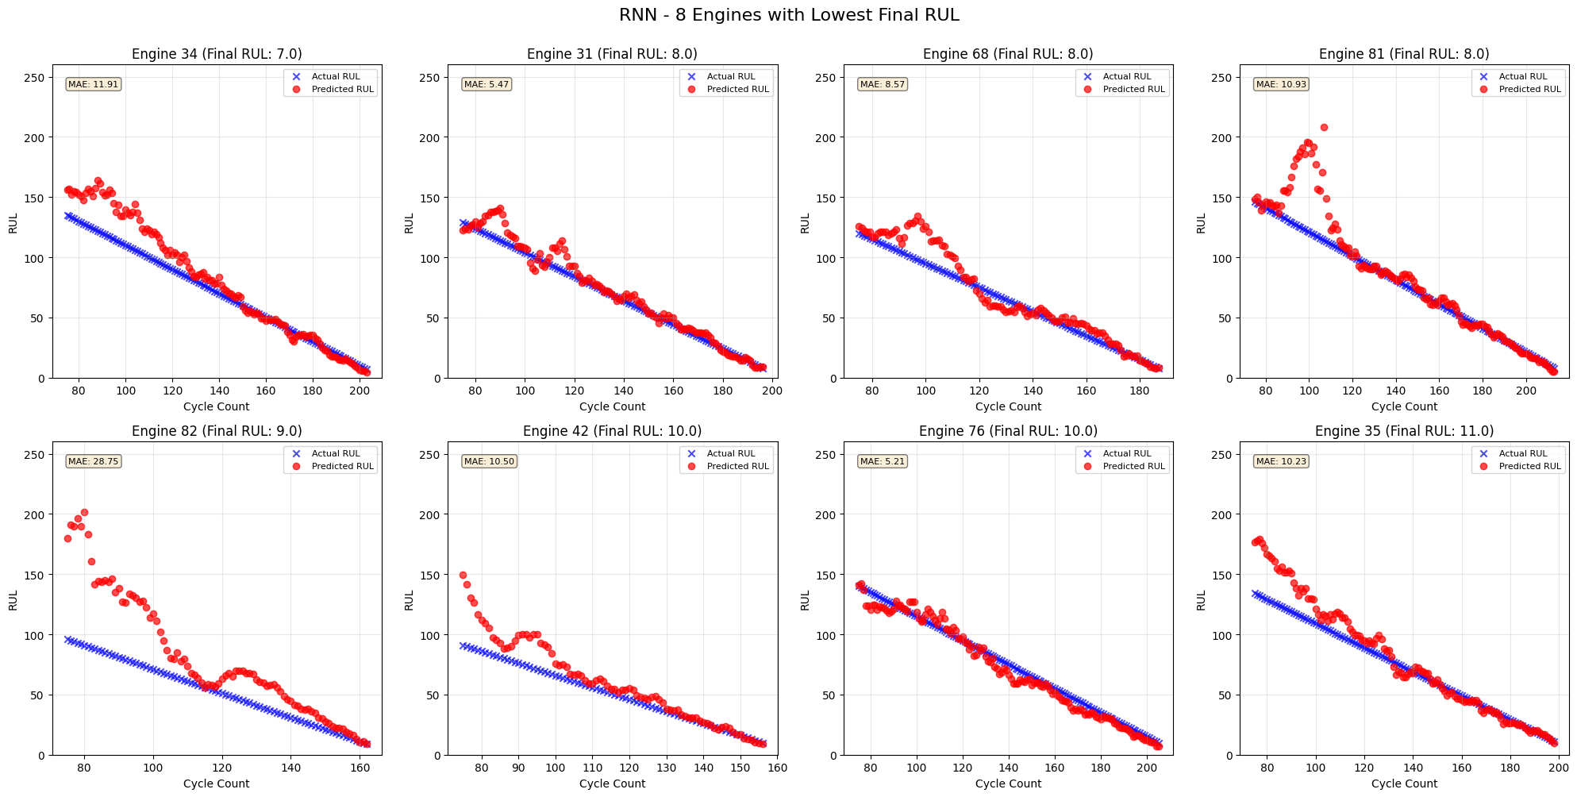
 | Set 1 |  |  |  |  |  |  |  |  |  | Set 2 | Set 3 | Set 4
 | RNN1 | RNN2 | RNN3 | RNN4 | RNN5 | RNN6 | RNN7 | RNN8 | RNN9 | RNN10 | RNN7 | RNN7 | RNN7
Hidden Layers | 3 | 3 | 3 | 3 | 6 | 2 | 1 | 1 | 1 | 1 | 1 | 1 | 1
Hidden Layer Size | 128 | 128 | 128 | 128 | 128 | 128 | 128 | 64 | 32 | 64 | 128 | 128 | 128

Sequence Length | 70 | 50 | 25 | 10 | 70 | 70 | 70 | 70 | 70 | 70 | 70 | 70 | 70
 |  |  |  |  |  |  |  |  |  | Dropout
Epochs | 50 | 50 | 50 | 50 | 50 | 50 | 50 | 50 | 50 | 50 | 50 | 50 | 50
Learning Rate | 0.001 | 0.001 | 0.001 | 0.001 | 0.001 | 0.001 | 0.001 | 0.001 | 0.001 | 0.001 | 0.001 | 0.001 | 0.001

Test Loss | 892.3369 | 821.0927 | 805.5583 | 785.778 | 3366.7656 | 764.6318 | 756.0012 | 842.585 | 840.8971 | 892.6432
Test MAE | 20.4271 | 19.7045 | 19.5905 | 19.3179 | 45.6769 | 18.8784 | 18.6957 | 19.8094 | 19.8112 | 20.5323

Summary Statistics for 8 Engines with Lowest Final RUL:
Engine 34 | 9.78 | 13.44 | 20.38 | 13.31 | n/a | 14.77 | 16.98 | 14.7 | 10.74 | 10.13
Engine 31 | 8.57 | 6.55 | 9.12 | 7.3 | n/a | 9.88 | 6.73 | 8.25 | 6.36 | 7.36
Engine 68 | 16.46 | 14.01 | 12.5 | 11.82 | n/a | 12.5 | 8.91 | 13.02 | 9.25 | 10
Engine 81 | 10.44 | 6.97 | 12.88 | 11.06 | n/a | 13.47 | 10.96 | 11.71 | 5.86 | 13.24
Engine 82 | 35.68 | 40.91 | 31.84 | 39.85 | n/a | 46.57 | 39.23 | 46.54 | 43.45 | 39.67
Engine 42 | 20.61 | 31.42 | 15.28 | 18.02 | n/a | 21.6 | 20.2 | 16.76 | 19.69 | 13.39
Engine 76 | 7.19 | 9.11 | 11.63 | 13.6 | n/a | 5.94 | 7.75 | 9.06 | 12.06 | 10.75
Engine 35 | 10.46 | 15.65 | 10.9 | 13.17 | n/a | 15.74 | 9.39 | 11.08 | 8.25 | 16.25
avg | 14.89875 | 17.2575 | 15.56625 | 16.01625 | #DIV/0! | 17.55875 | 15.01875 | 16.39 | 14.4575 | 15.09875

RNN 1
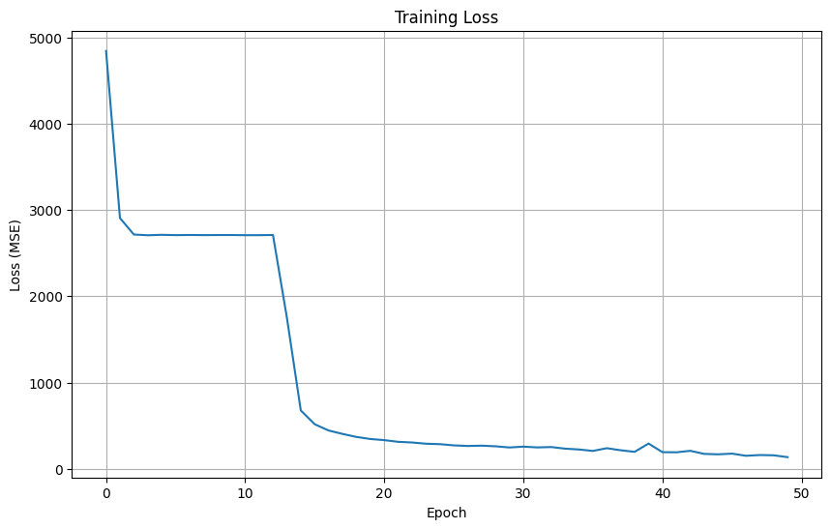

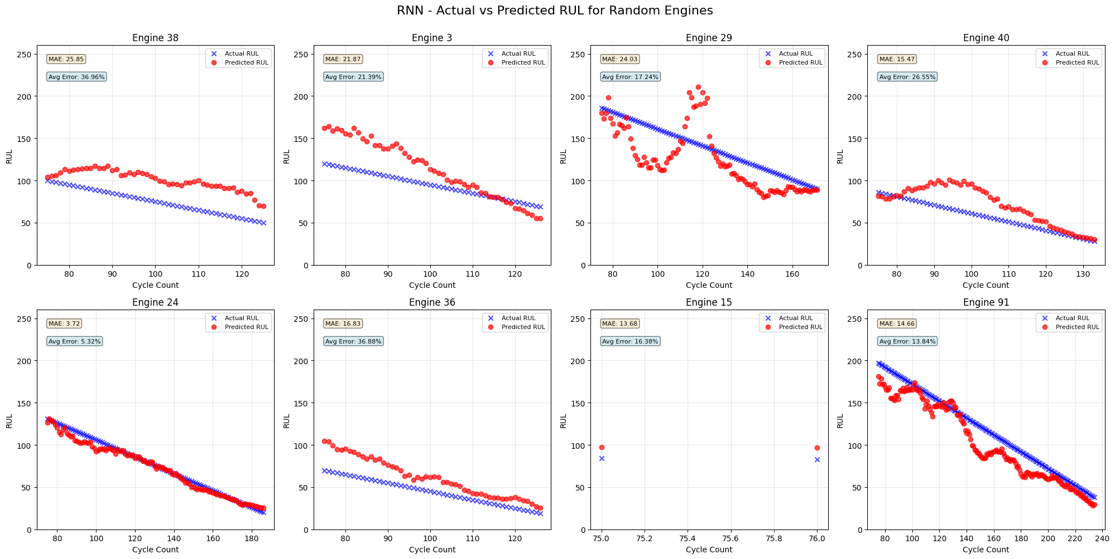

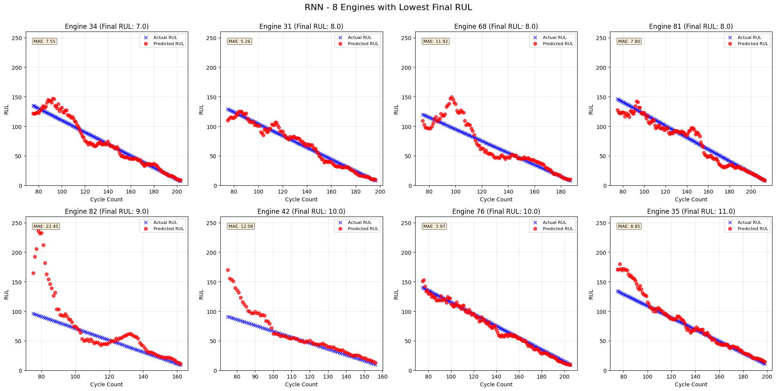

RNN 5
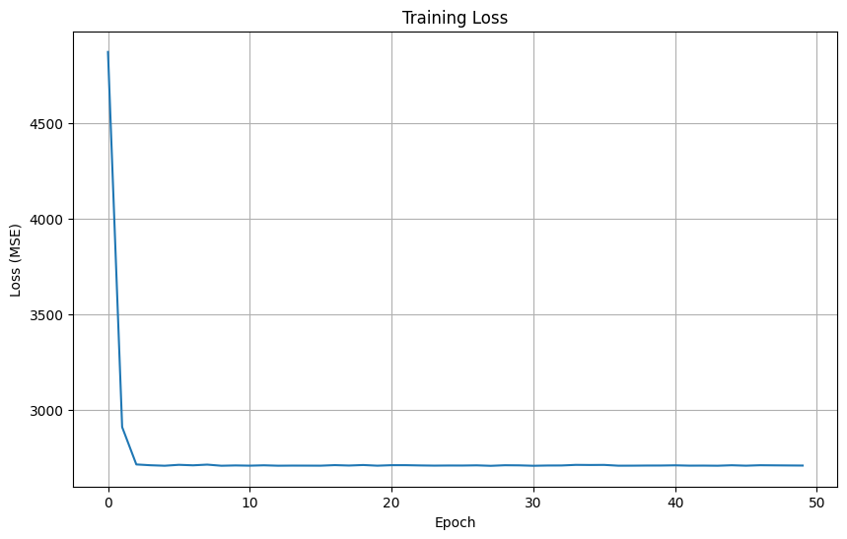

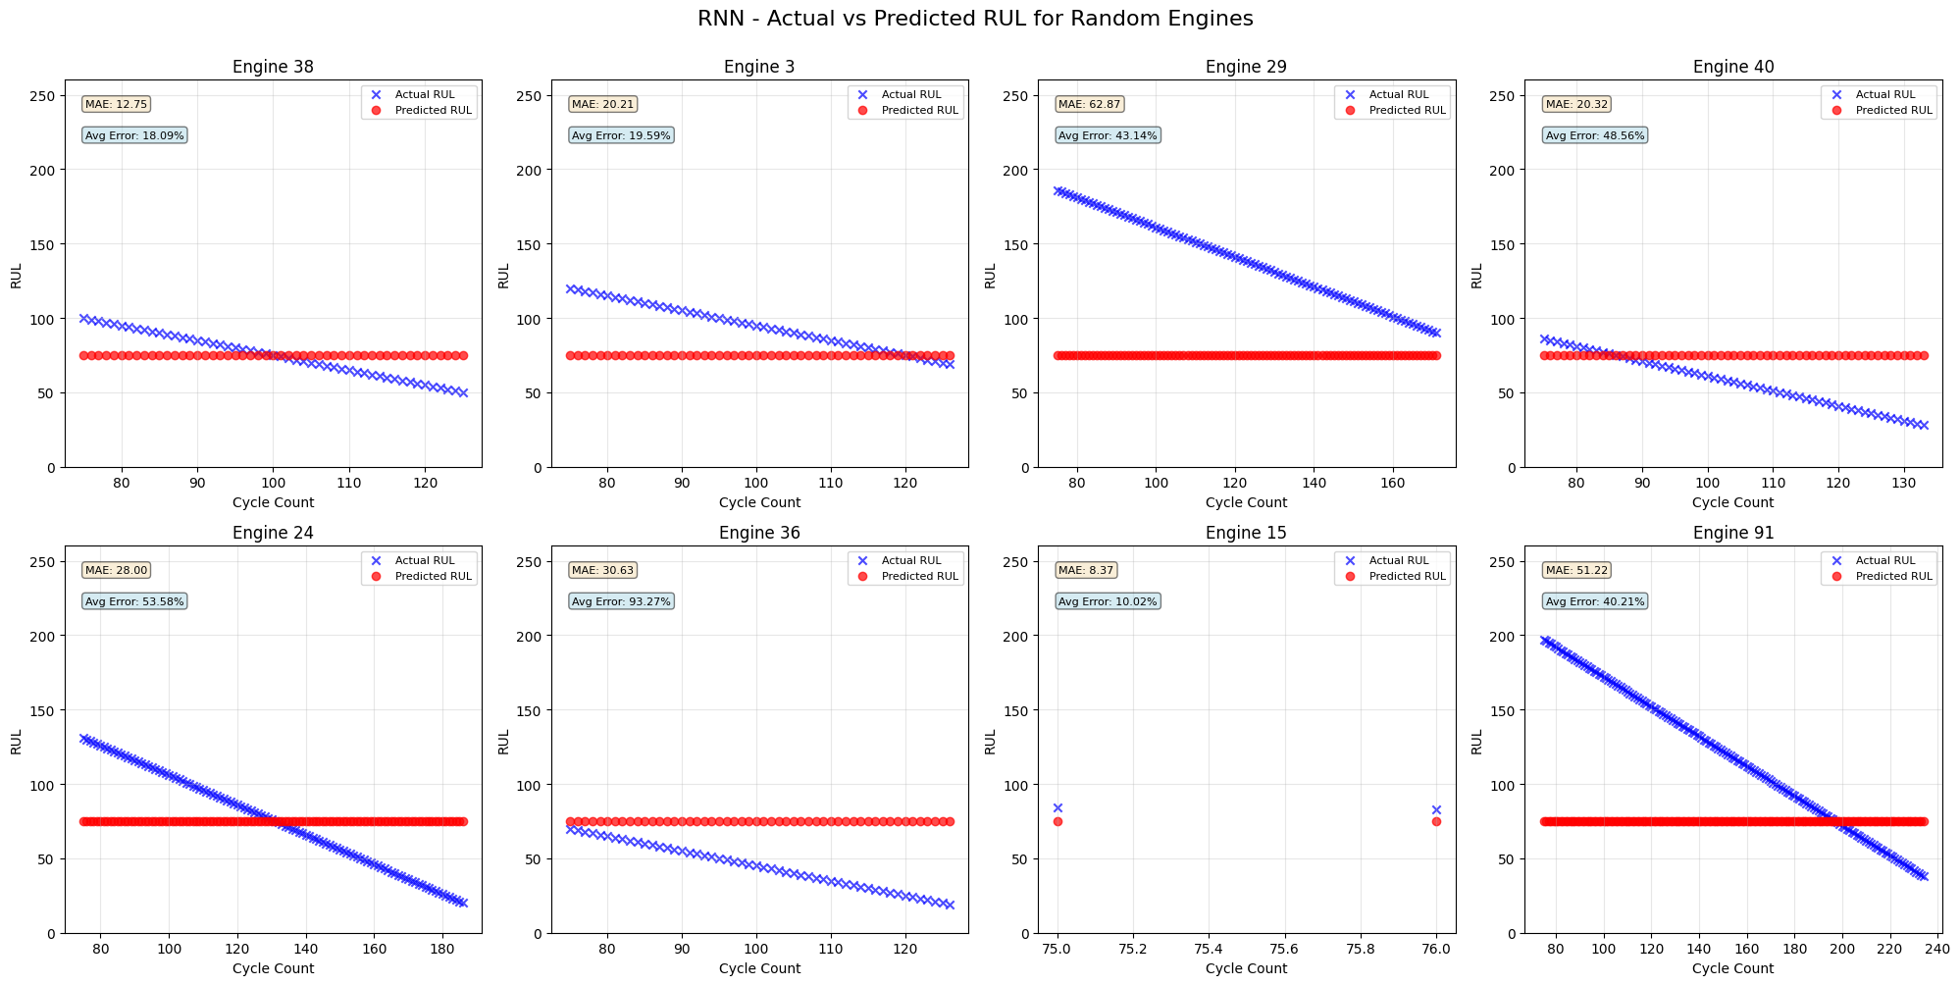

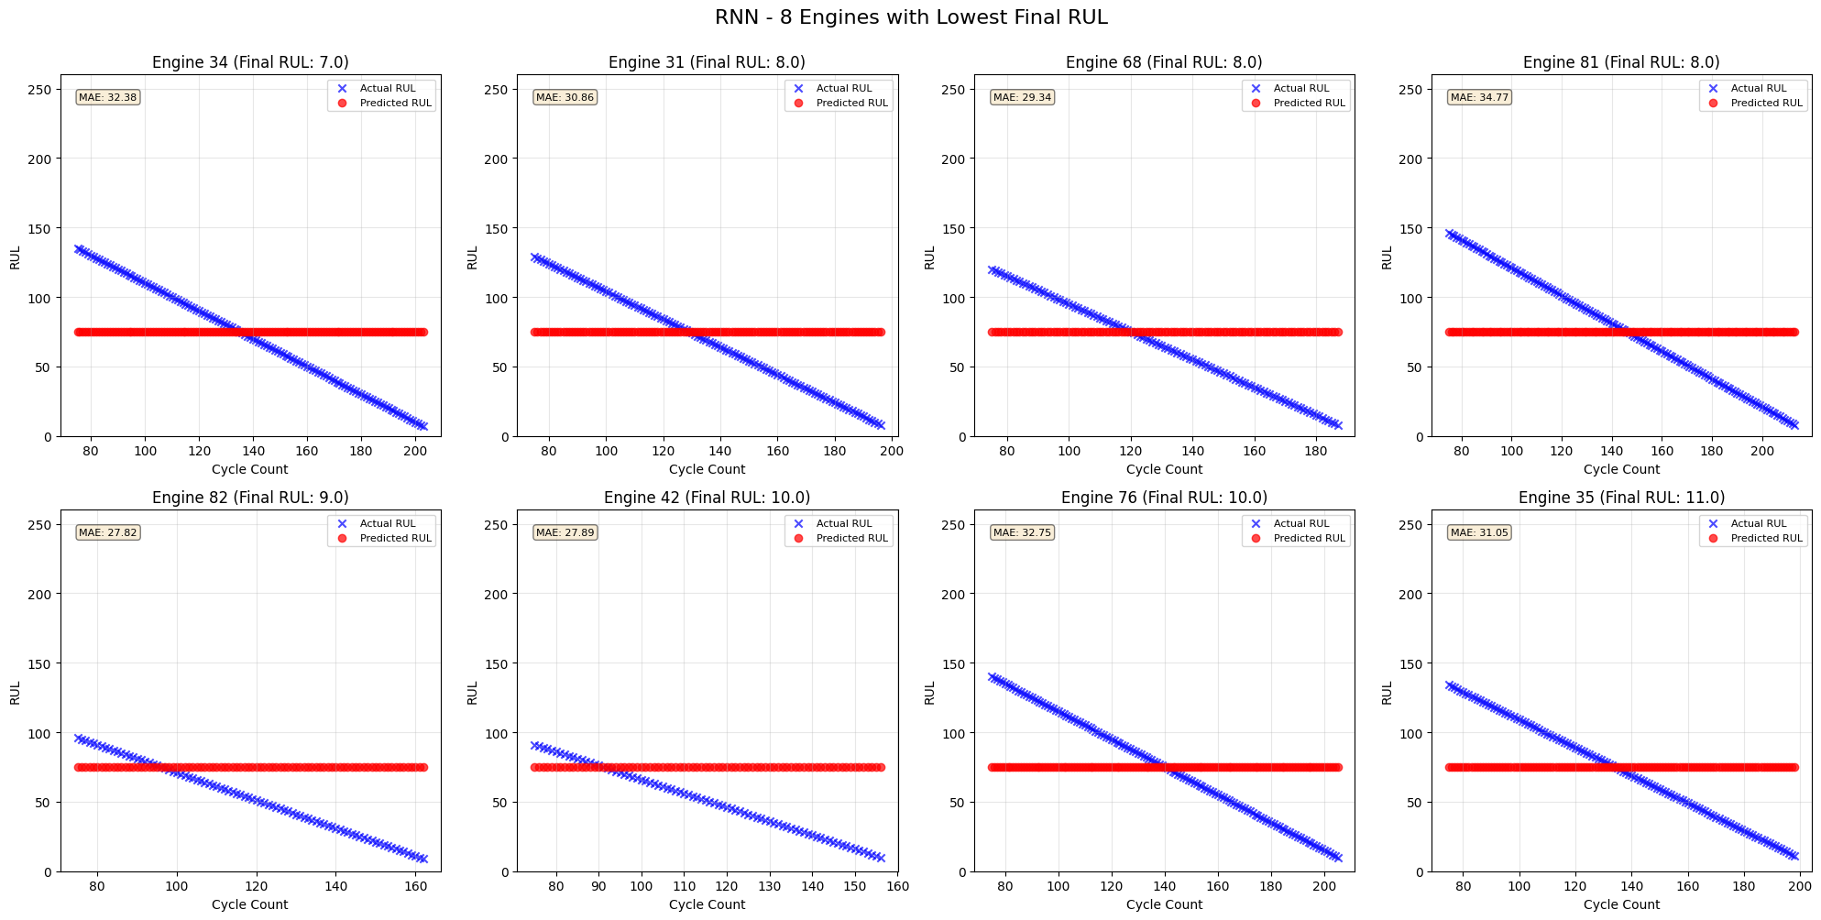

RNN6
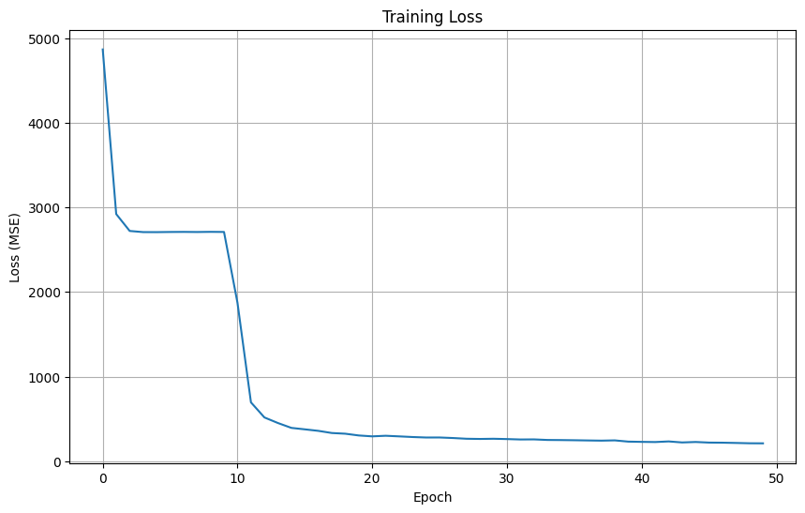

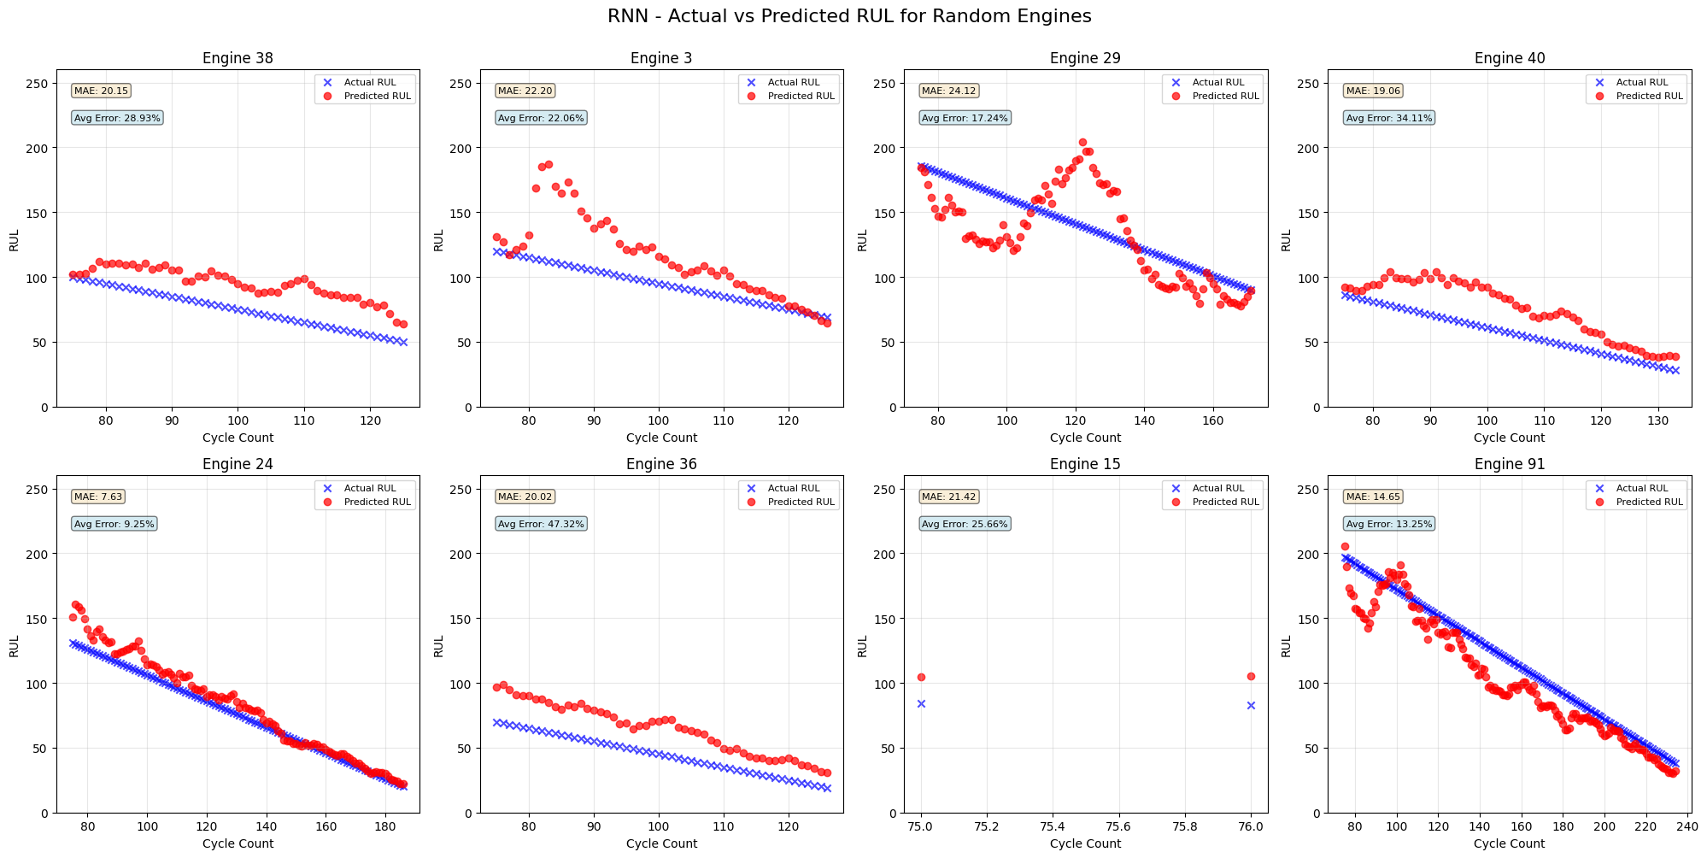

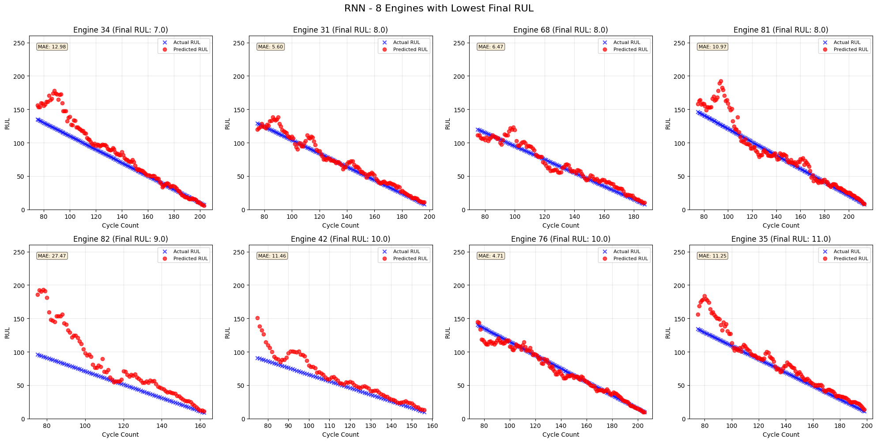

RNN7
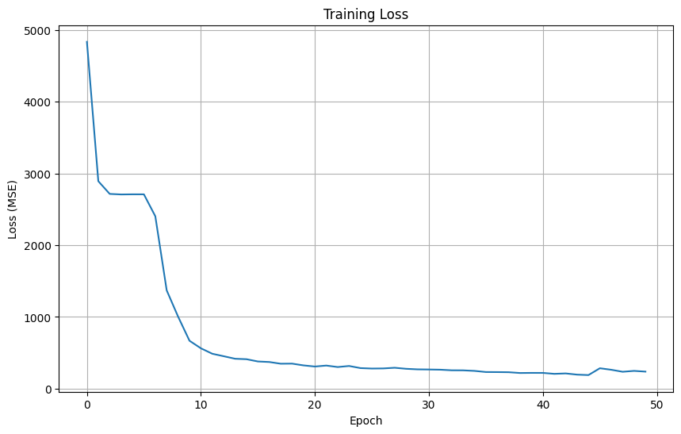

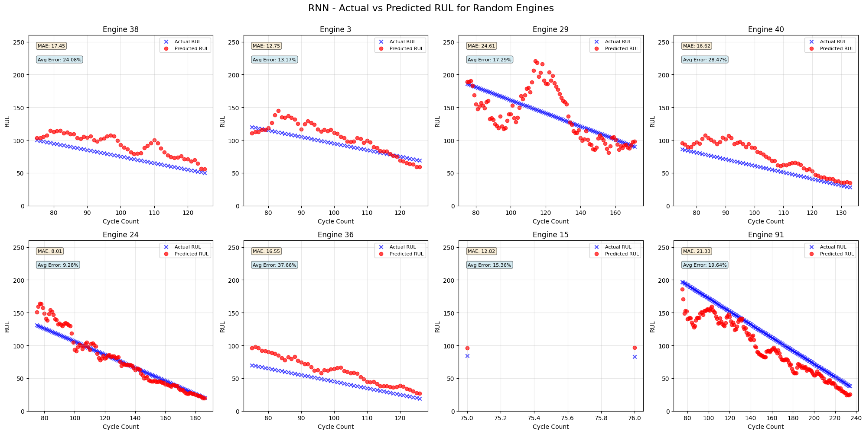

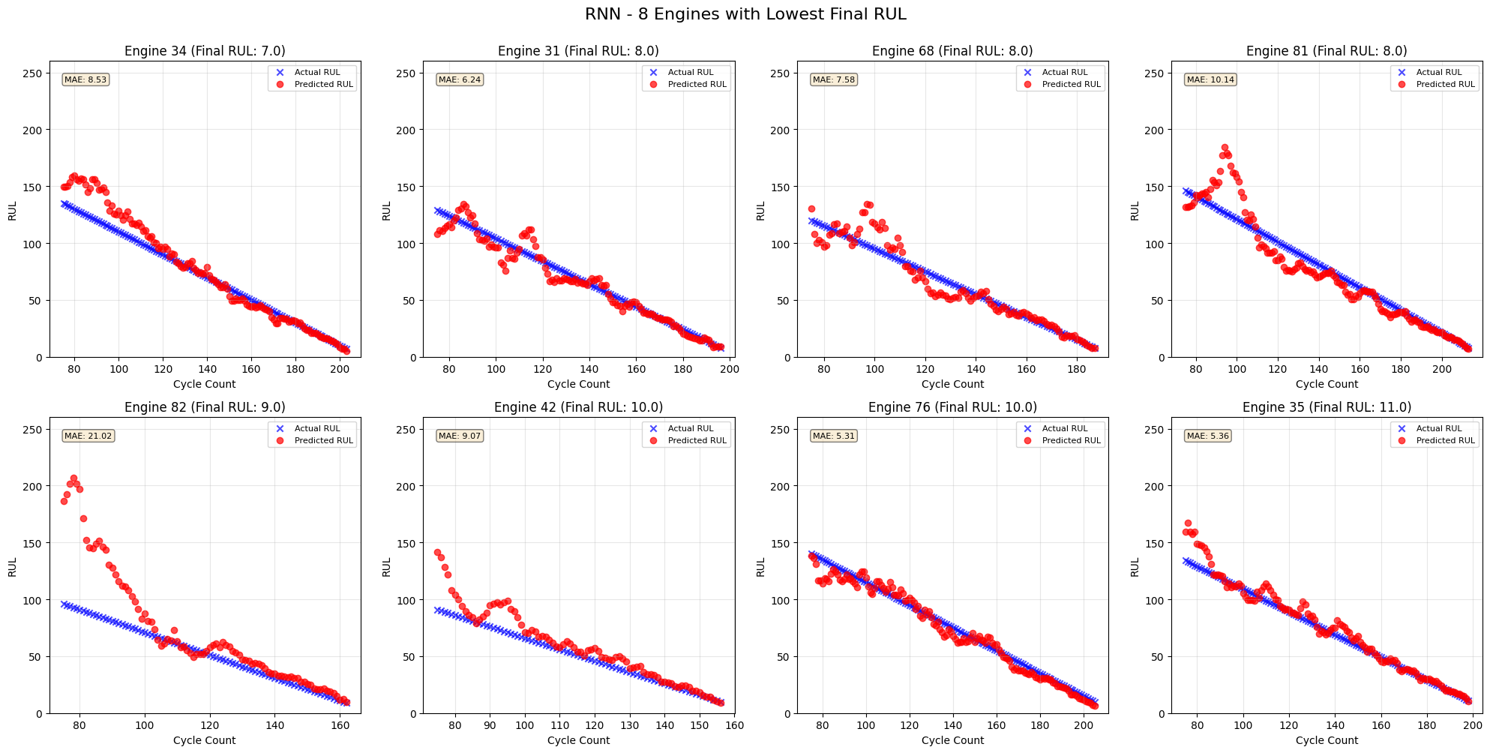

RNN 8

